Sheet1
title | BERT: Pre-training of Deep Bidirectional Transformers for Language Understanding
author | Jacob Devlin Ming-Wei Chang Kenton Lee Kristina Toutanova |  |  |  | Google AI Language
abstract | goal | designed to pretrain deep bidirectional representations from unlabeled text by jointly conditioning on both left and right context in all layers
 |  | no modifications for different tasks in NLP
 | ELMo | based on RNN, need modify the architecture
 | GPT | need modify parameters for different tasks
introduction | pre-training | effective for improving many natural language processing tasks
 |  | sentience-level | relationships between sentences
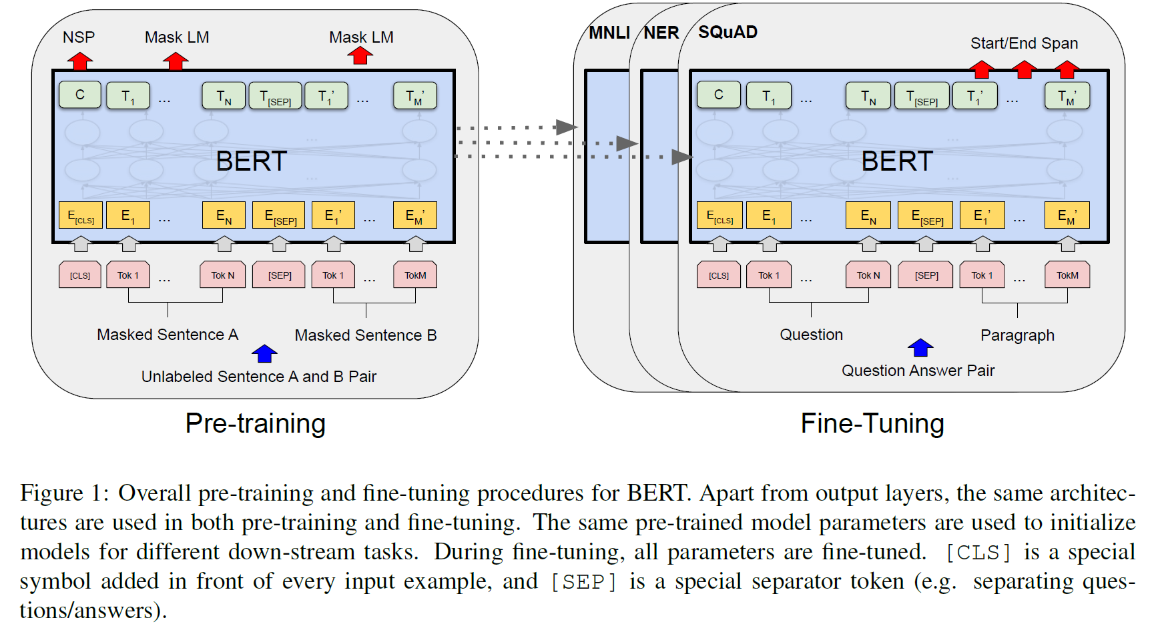
 |  | token-level | whether the token is real
 | 2 strategies in pre-training | feature-based | ELMo | modify the architecture to fit the downstream tasks
 |  | fine-tuning | GPT | modify the parameters to fit the downstream tasks
 |  | they use unidirectional language models to learn general language representations
 | BERT | using masked language model (MLM)
 | contribution | demonstrate the importance of bidirectional pre-training for language representations
 |  | show that pre-trained representations reduce the need for many heavily-engineered task-specific architectures
 |  | open source for codes and models
related work | unsupervised feature-based application: ELMo
 | unsupervised fine-tuning application: GPT
 | transfer learning from supervised data
BERT | 2 steps in the framework | pre-training
 |  | fine-tuning
 | model architecture | multi-layer bidirectional transformer encoder
 | parameters | L | the number of transformer blocks
 |  | H | the hidden size
 |  | A | the number of self-attention heads
 |  | (L, H, A) | BERT BASE = (12, 768,12)
 |  |  | BERT LARGE = (24,1024, 16)
 | para can be learned caculation | embedding | the output of embedding layer is H, then connect to tranformer layer
 |  | transformer | there is no parameters to learn in self-attention layers
 |  |  | A * 64 = H, which 64 is the projection output of multi-head layer
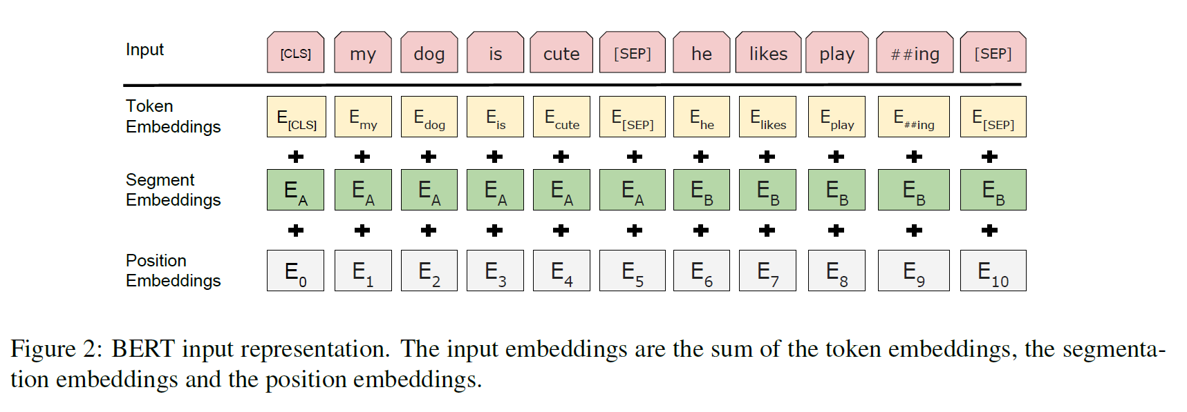
 | I/O representations | input can be a sentence or a pair of sentences (eg. <Q, A>)
 |  | WordPiece embeddings
 |  | [CLS] contains the all information of sentence (classification of the sentence)
 |  | [SEP] separates the sentences pairs
 |  | output embeddings = token embeddings (Eword) + segment embeddings (Etype) + position embeddings (Enum)
 |  | then sentence embeddings is the input of the transformer blocks
 | pre-training BERT | masked LM | [MASK] will replace the element randomly 15% tokens expect the special tokens
 |  |  | there is no [MASK] in fine tune, so inorder to predict these masked token, there is a method to solve this quention
 |  |  | 80%: replaced by [MASK]; 10%: replaced by random token; 10%: uncahnged
 |  | next sentence prediction
 | fine-tuning BERT | simply plug in the task-specific inputs and outputs into BERT
experiment | GLUE | a general multi-calssification
 | SQuAD v1.1/v2.0 | a general comprehension
 | SWAG
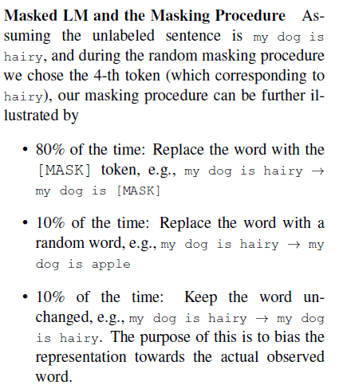
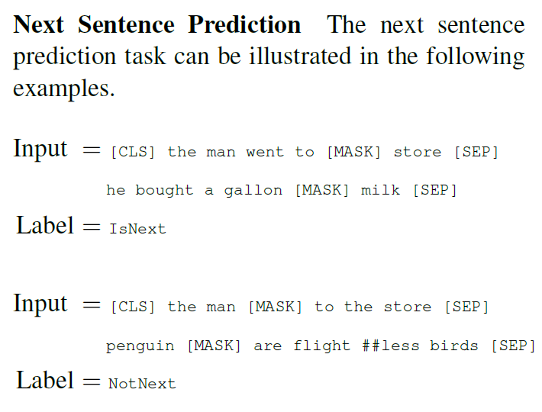

conclusion | low-resource can also be trained by deep
 | change prediction to cloze in language models based on bidirectional transformers

